SCRIPT
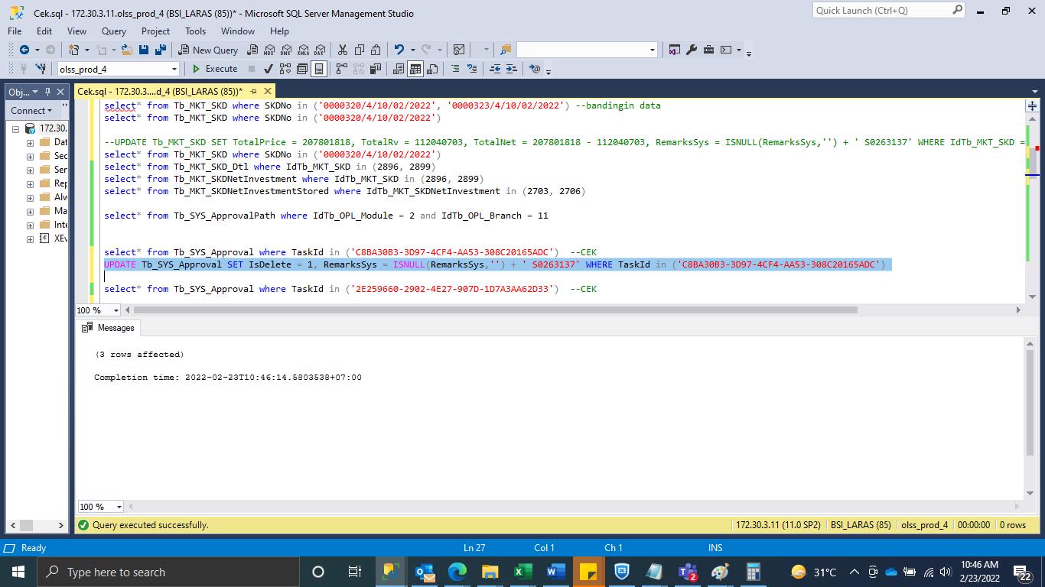
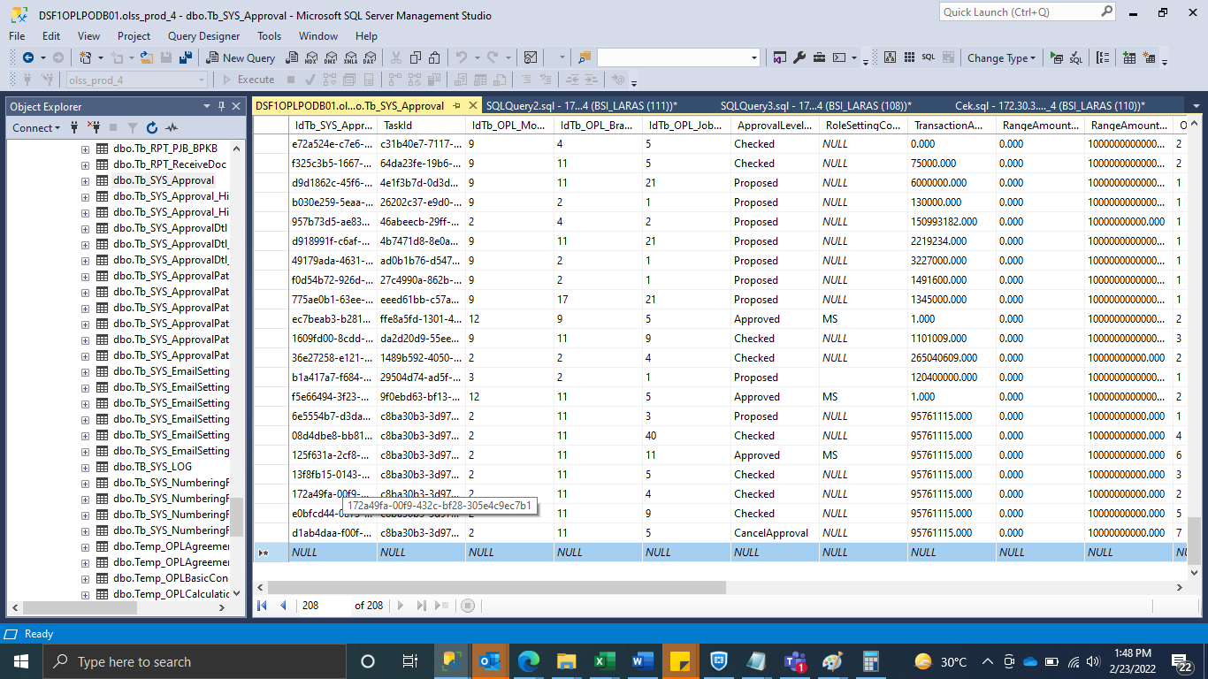
UPDATE Tb_MKT_SKD SET TotalPrice = 207801818, TotalRv = 112040703, TotalNet = 207801818 - 112040703, RemarksSys = ISNULL(RemarksSys,'') + ' S0263137' WHERE IdTb_MKT_SKD = 2896

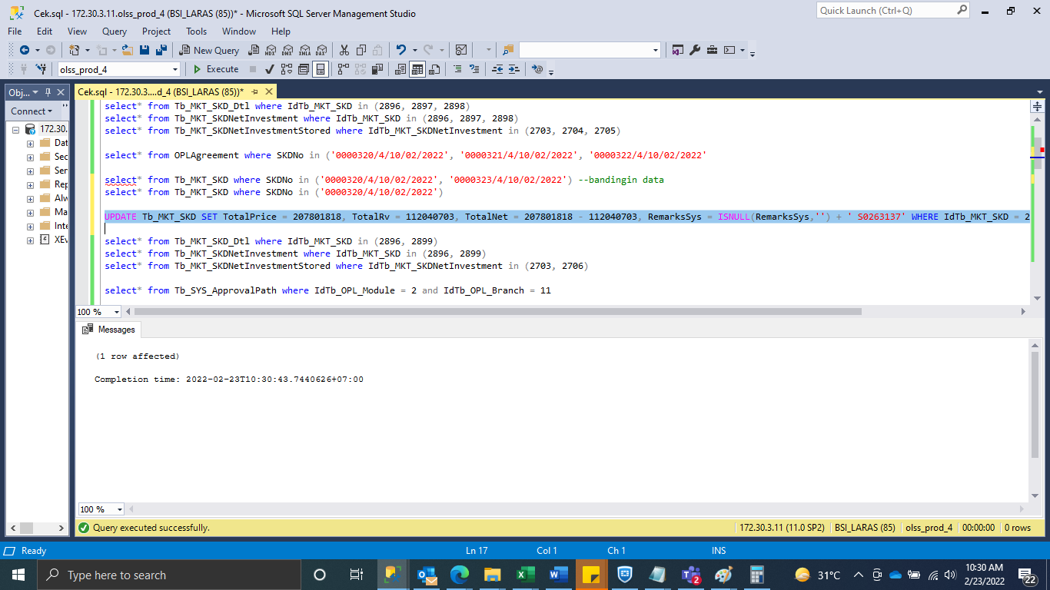

UPDATE Tb_SYS_Approval SET IsDelete = 1, RemarksSys = ISNULL(RemarksSys,'') + ' S0263137' WHERE TaskId in ('C8BA30B3-3D97-4CF4-AA53-308C20165ADC')

SS
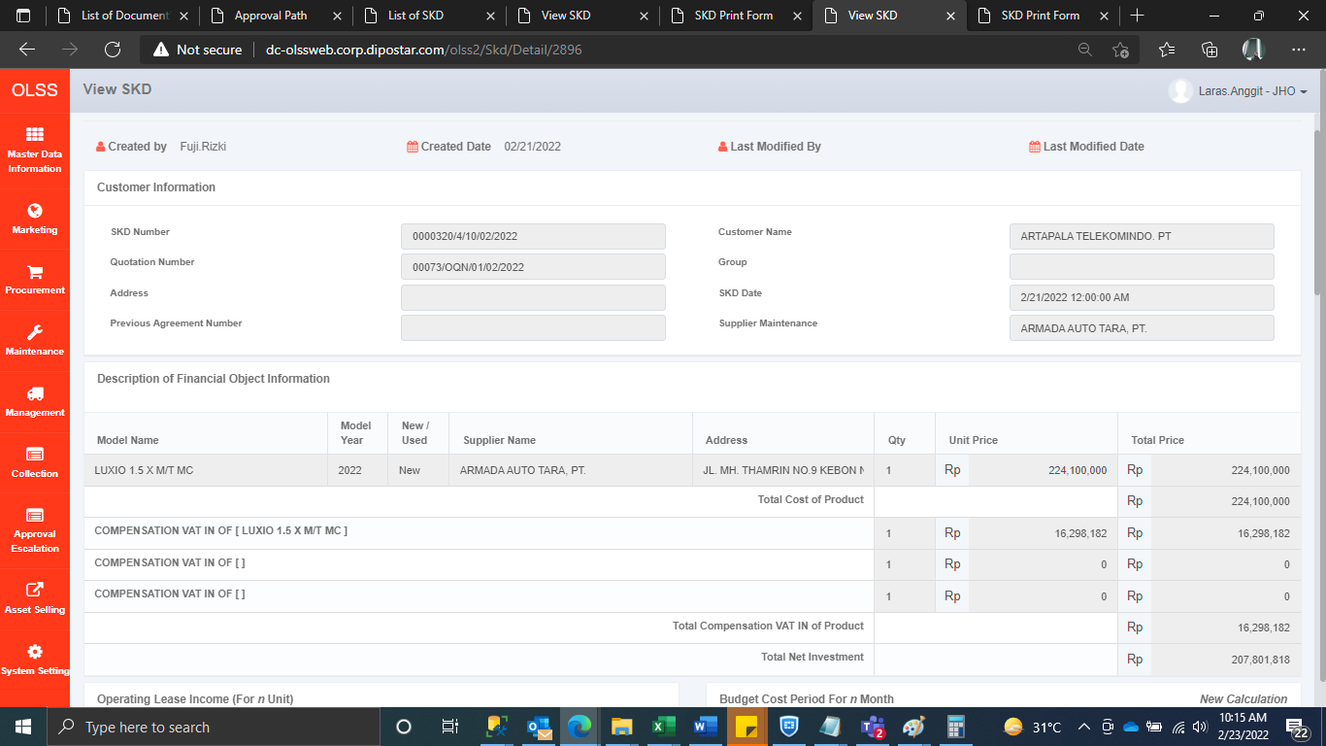
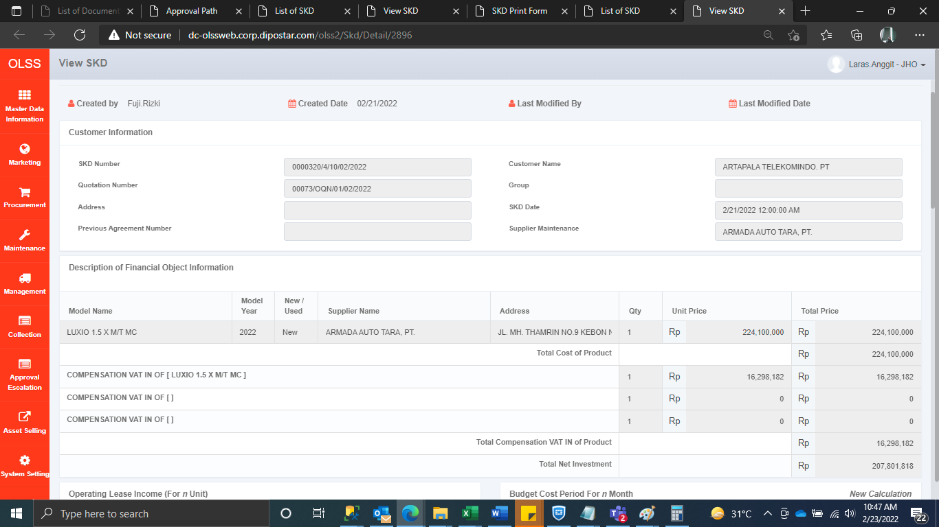
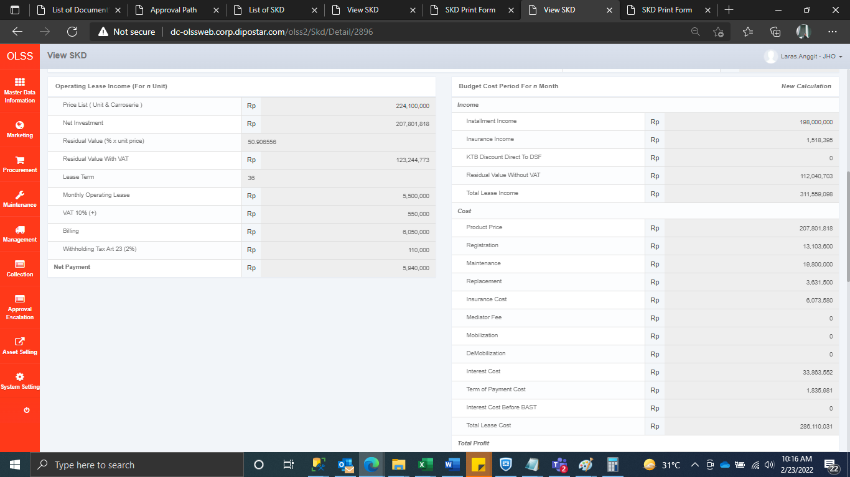
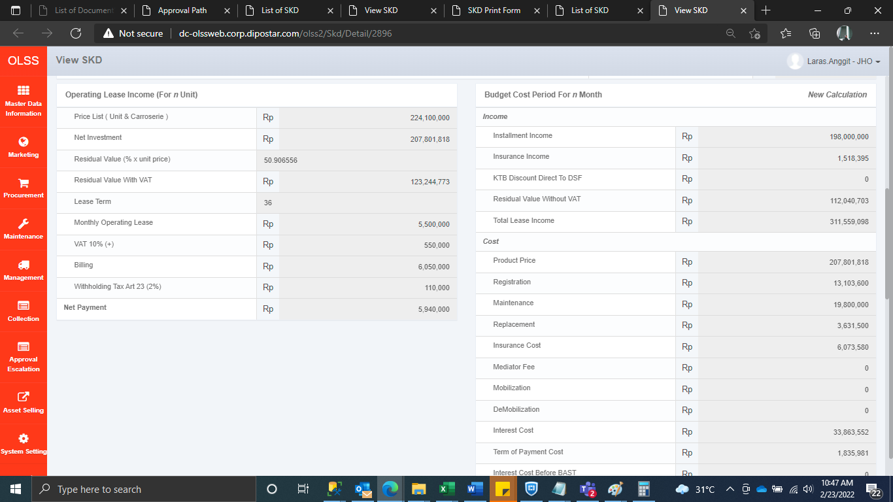
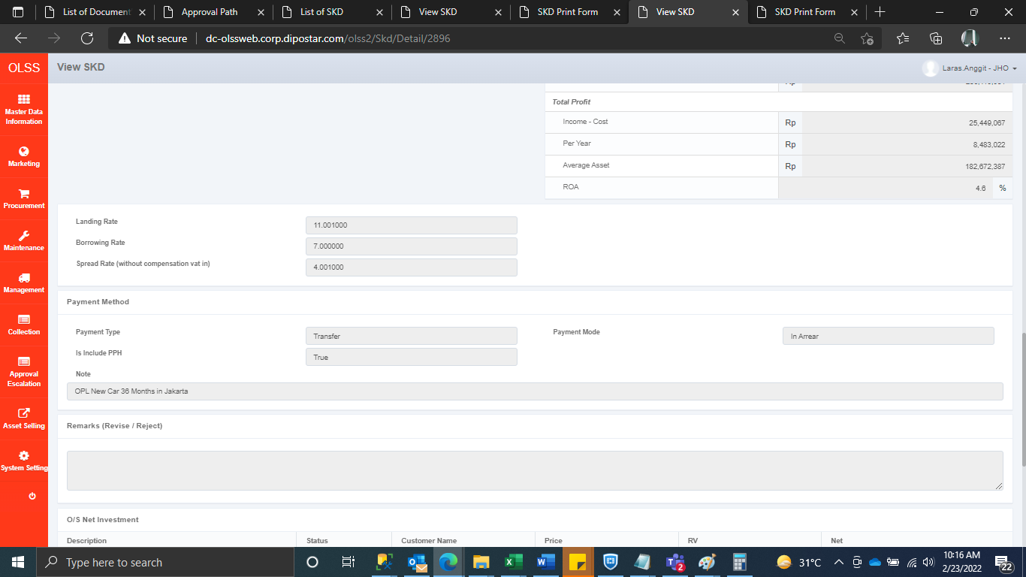
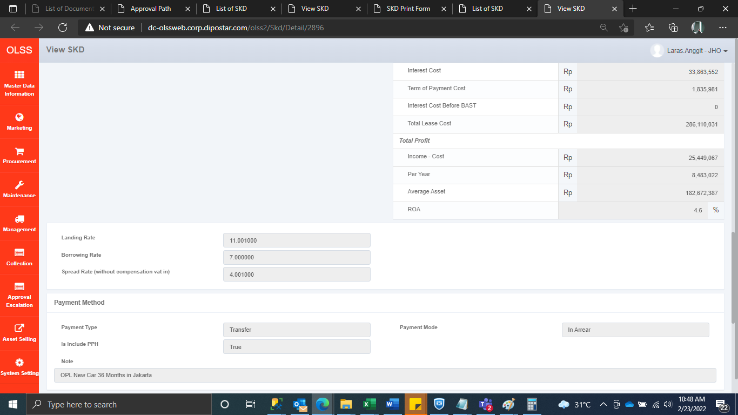
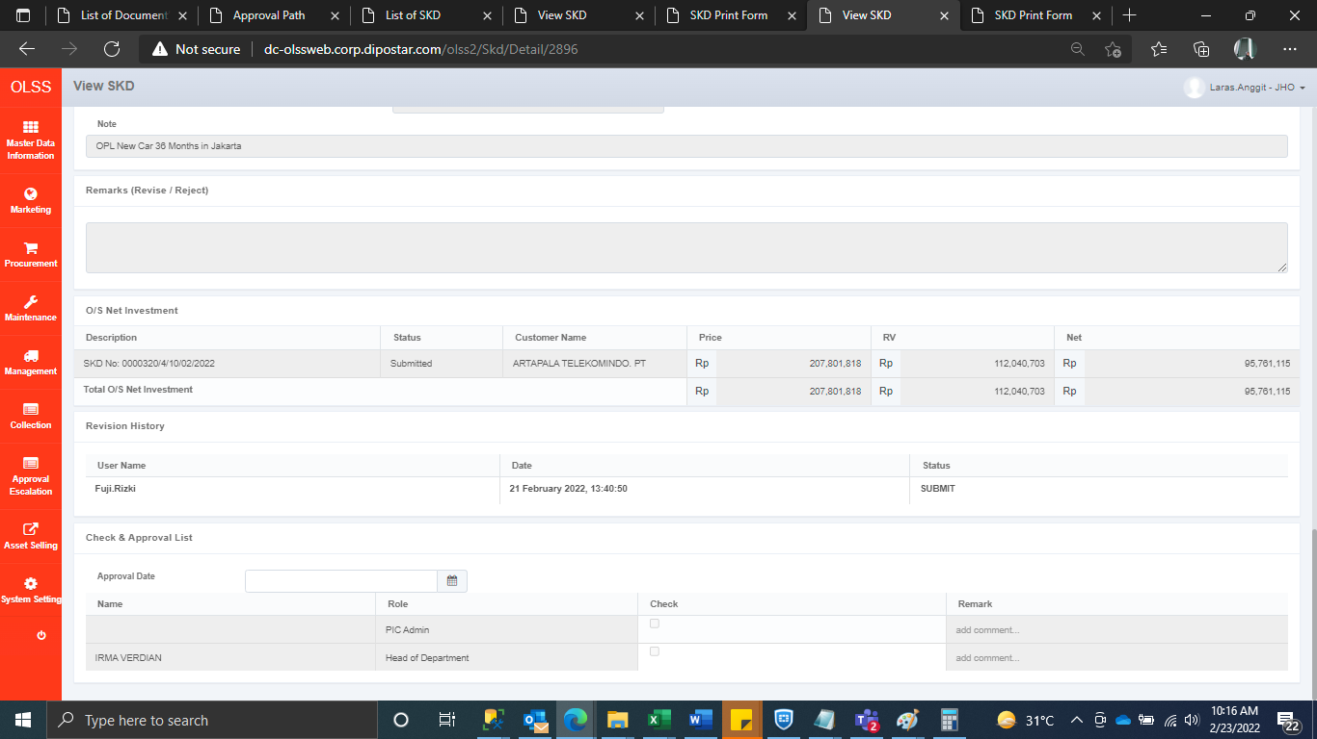
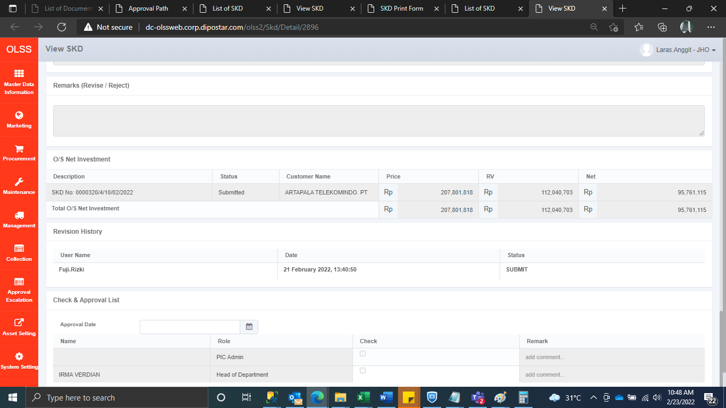
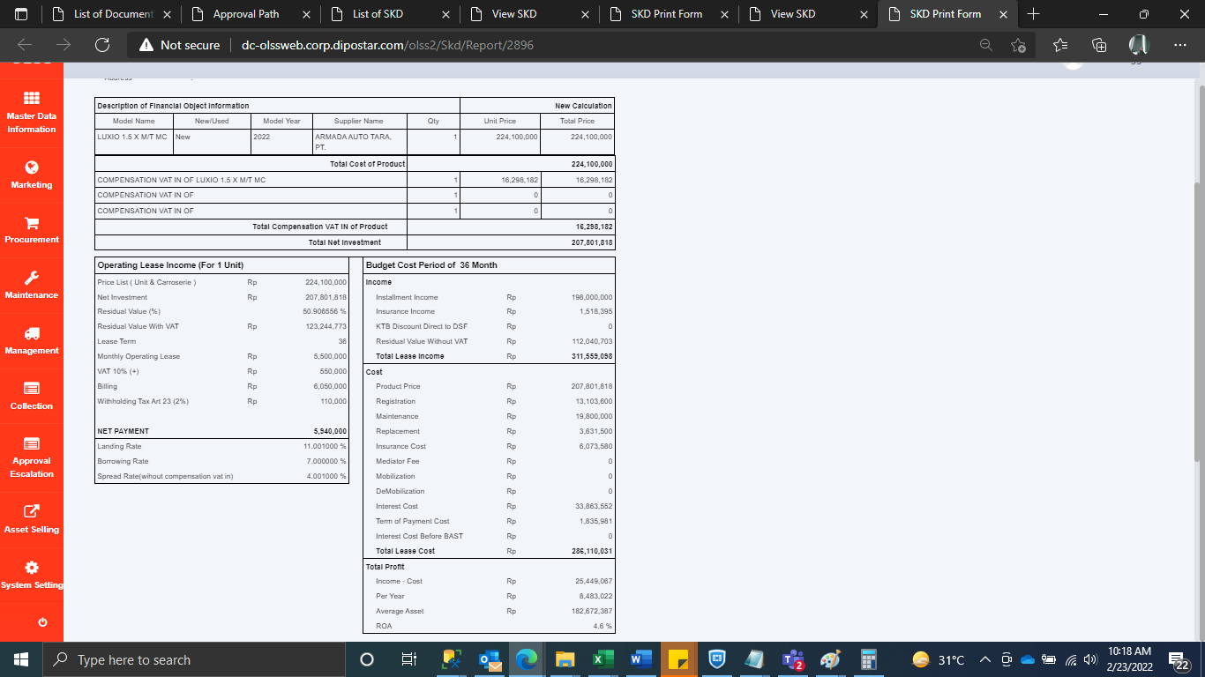
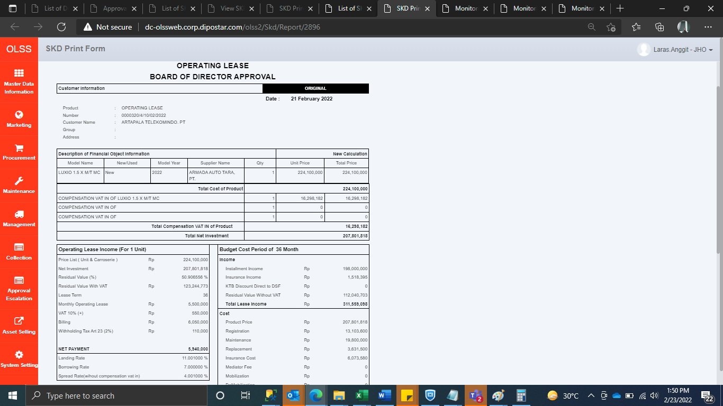
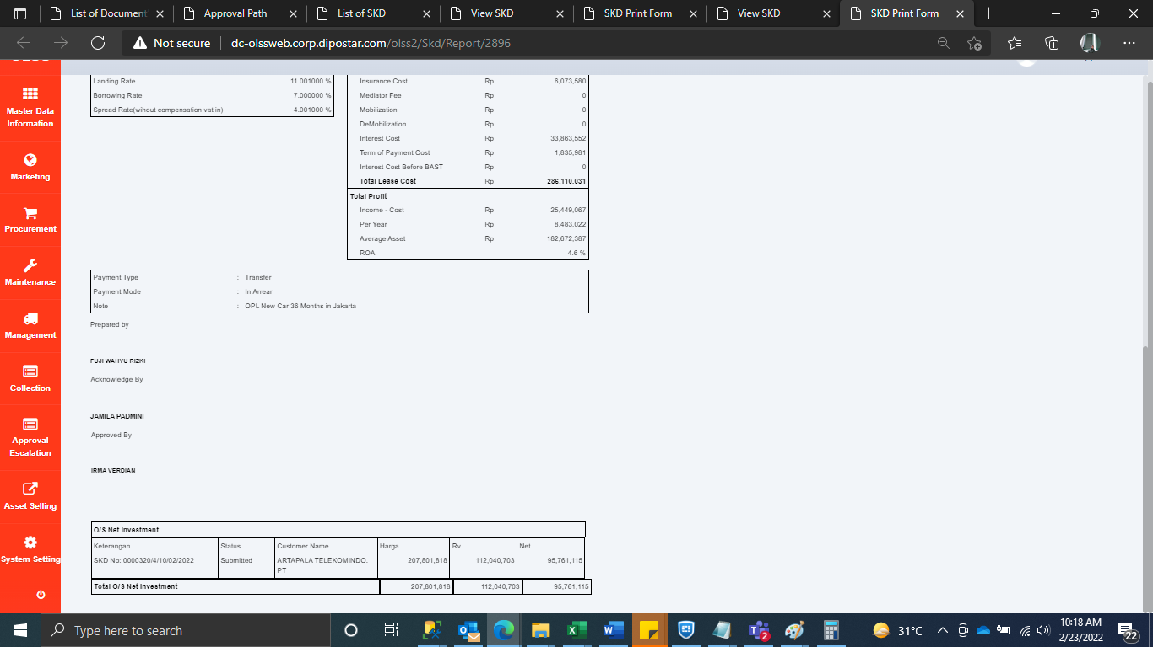
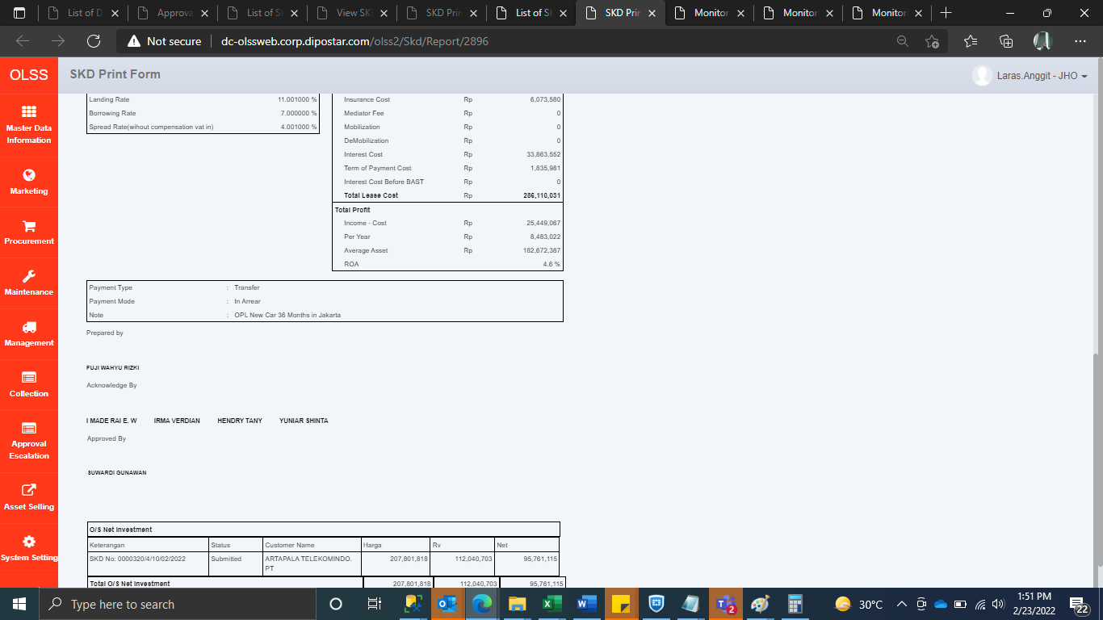
BEFORE | AFTER

